Instructions
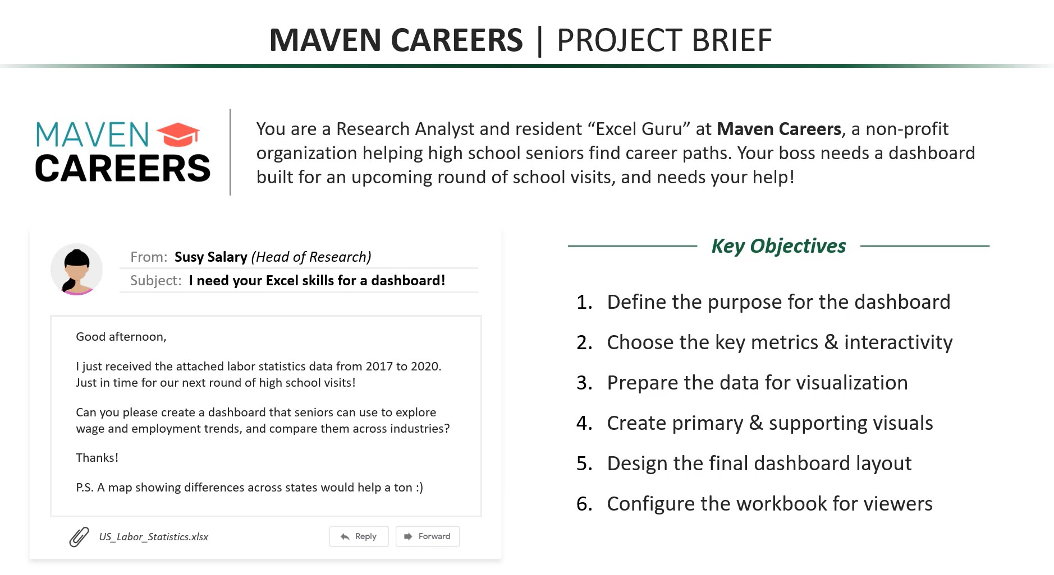

Data_Prep
Share of Employees
Wage & Employee Trends
Year | 2020 |  | INDUSTRY FILTER |  | DATE FILTER |  | STATE FILTER |  | EMOLOYEES BY INDUSTRY |  |  | YEAR & EMPLOYEE TRENDS |  |  | COMPARISON BY STATE |  | Filters
PIVOT TABLE |  |  | Industry | selection | YEAR | Selection | STATE | Selection | Industry | Employees | FILTER_Industry | YEAR | Avg Wage | Employees | State | Employee | 2020 | State | Employee | Population | Employement_percentage | Average_Wages | Average_Wages
Row Labels | Average of Avg Annual Wage | selection | Business Services | Leisure & Hospitality | 2020 | 2019 | Alabama | Arkansas | Trade & Transportation | 27,186,117 | Manufacturing | 2017 | $62.625 K | 12378010 | Alabama | 19310 | Information | Alabama | 19310 | 4887871 | 0.40 | $69,393 | $69393.00
Business Services | $74,713.06 | Information | Construction |  | 2019 |  | Arizona |  | Education & Health | 22,380,791 |  | 2018 | $64.167 K | 12619732 | Arizona | 45513 |  | Arizona | 45513 | 7171646 | 0.63 | $90,871 | $90871.00 | MAP FILTER
Construction | $63,896.90 |  | Education & Health |  | 2018 |  | Arkansas |  | Business Services | 20,594,171 |  | 2019 | $65.480 K | 12747753 | Arkansas | 11509 |  | Arkansas | 11509 | 3013825 | 0.38 | $69,820 | $69820.00 | METRIC: | Average_Wages
Education & Health | $53,607.21 |  | Finance |  | 2017 |  | California |  | Leisure & Hospitality | 15,957,853 |  | 2020 | $68.428 K | 12058694 | California | 527549 |  | California | 527549 | 39557045 | 1.33 | $217,892 | $217892.00
Finance | $90,040.67 |  | Information |  |  |  | Colorado |  | Manufacturing | 12,619,732 |  |  |  |  | Colorado | 74867 |  | Colorado | 74867 | 5695564 | 1.31 | $123,495 | $123495.00
Wage & Employee Trends
Information | $93,586.33 |  | Leisure & Hospitality |  |  |  | Connecticut |  | Finance | 8,120,224 |  |  |  |  | Connecticut | 29237 |  | Connecticut | 29237 | 3572665 | 0.82 | $138,917 | $138917.00
Leisure & Hospitality | $23,286.42 |  | Manufacturing |  |  |  | Delaware |  | Construction | 7,158,459 |  |  |  |  | Delaware | 3622 |  | Delaware | 3622 | 967171 | 0.37 | $78,966 | $78966.00
Manufacturing | $68,427.88 |  | Natural Resources |  |  |  | Florida |  | Other Services | 4,391,873 |  |  |  |  | Florida | 130298 |  | Florida | 130298 | 21670000 | 0.60 | $93,350 | $93350.00
Natural Resources | $55,605.94 |  | Other Services |  |  |  | Georgia |  | Information | 2,781,425 |  |  |  |  | Georgia | 109190 |  | Georgia | 109190 | 10519475 | 1.04 | $108,735 | $108735.00
Other Services | $40,790.19 |  | Trade & Transportation |  |  |  | Idaho |  | Natural Resources | 1,917,445 |  |  |  |  | Idaho | 7346 |  | Idaho | 7346 | 1754208 | 0.42 | $64,408 | $64408.00
Trade & Transportation | $49,366.81 |  |  |  |  |  | Illinois |  |  |  |  |  |  |  | Illinois | 87520 |  | Illinois | 87520 | 12741080 | 0.69 | $110,059 | $110059.00
Grand Total | $61,332.14 |  |  |  |  |  | Indiana |  |  |  |  |  |  |  | Indiana | 26075 |  | Indiana | 26075 | 6691878 | 0.39 | $67,191 | $67191.00
 |  |  |  |  |  |  | Iowa |  | EMOLOYEES BY INDUSTRY |  |  |  |  |  | Iowa | 19135 |  | Iowa | 19135 | 3156145 | 0.61 | $66,858 | $66858.00
 |  |  | AVG WAGE BY INDUSTRY FOR 2020 |  |  |  | Kansas |  | Industry | Employees |  |  |  |  | Kansas | 16734 |  | Kansas | 16734 | 2911505 | 0.57 | $73,749 | $73749.00
 |  | $70,677.00 | Industry | Avg Annual Wage |  |  | Kentucky |  | Finance | 8,120,224 |  |  |  |  | Kentucky | 20268 |  | Kentucky | 20268 | 4468402 | 0.45 | $63,462 | $63462.00
DATE FILTER |  |  | Information | $79,569.10 |  |  | Louisiana |  | Others | 114,987,866 |  |  |  |  | Louisiana | 18712 |  | Louisiana | 18712 | 4659978 | 0.40 | $65,700 | $65700.00
current_year: | 2020 |  | Finance | $80,167.85 |  |  | Maine |  |  |  |  |  |  |  | Maine | 6415 |  | Maine | 6415 | 1338404 | 0.48 | $64,265 | $64265.00
Share of Employees
 |  |  | Business Services | $66,836.25 |  |  | Maryland |  |  |  |  |  |  |  | Maryland | 33029 |  | Maryland | 33029 | 6042718 | 0.55 | $110,569 | $110569.00
 |  |  | Manufacturing | $64,166.54 |  |  | Massachusetts |  |  |  |  |  |  |  | Massachusetts | 89231 |  | Massachusetts | 89231 | 6902149 | 1.29 | $146,746 | $146746.00
 |  |  | Construction | $59,438.81 |  |  | Michigan |  |  |  |  |  |  |  | Michigan | 50511 |  | Michigan | 50511 | 9995915 | 0.51 | $88,745 | $88745.00
 |  |  | Natural Resources | $53,173.94 |  |  | Minnesota |  |  |  |  |  |  |  | Minnesota | 43145 |  | Minnesota | 43145 | 5611179 | 0.77 | $92,292 | $92292.00
 |  |  | Education & Health | $48,817.96 |  |  | Mississippi |  |  |  |  |  |  |  | Mississippi | 9629 |  | Mississippi | 9629 | 2963914 | 0.32 | $54,301 | $54301.00
 |  |  | Trade & Transportation | $44,830.67 |  |  | Missouri |  |  |  |  |  |  |  | Missouri | 43675 |  | Missouri | 43675 | 6126452 | 0.71 | $89,327 | $89327.00
 |  |  | Other Services | $35,824.19 |  |  | Montana |  |  |  |  |  |  |  | Montana | 5797 |  | Montana | 5797 | 1062305 | 0.55 | $65,673 | $65673.00
 | FILTERS DROPDOWN |  | Leisure & Hospitality | $21,501.94 |  |  | Nebraska |  |  |  |  |  |  |  | Nebraska | 16165 |  | Nebraska | 16165 | 1929268 | 0.84 | $76,361 | $76361.00
Avg Annual Wages by Industry
 | STATE | Colorado |  |  |  |  | Nevada |  |  |  |  |  |  |  | Nevada | 13306 |  | Nevada | 13306 | 3034392 | 0.44 | $88,353 | $88353.00
2018
 | INDUSTRY | Manufacturing |  |  |  |  | New Hampshire |  |  |  |  |  |  |  | New Hampshire | 11735 |  | New Hampshire | 11735 | 1356458 | 0.87 | $107,194 | $107194.00
 | YEAR | 2018 |  |  |  |  | New Jersey |  |  |  |  |  |  |  | New Jersey | 67885 |  | New Jersey | 67885 | 8908520 | 0.76 | $130,541 | $130541.00
 |  |  |  |  |  |  | New Mexico |  |  |  |  |  |  |  | New Mexico | 9076 |  | New Mexico | 9076 | 2095428 | 0.43 | $62,393 | $62393.00
Colorado
Manufacturing
2018
 |  |  |  |  |  |  | New York |  |  |  |  |  |  |  | New York | 267749 |  | New York | 267749 | 19542209 | 1.37 | $154,357 | $154357.00
 |  |  |  |  |  |  | North Carolina |  |  |  |  |  |  |  | North Carolina | 73440 |  | North Carolina | 73440 | 10383620 | 0.71 | $96,207 | $96207.00
 |  |  |  |  |  |  | North Dakota |  |  |  |  |  |  |  | North Dakota | 5780 |  | North Dakota | 5780 | 760077 | 0.76 | $79,624 | $79624.00
 |  |  |  |  |  |  | Ohio |  |  |  |  |  |  |  | Ohio | 63865 |  | Ohio | 63865 | 11689442 | 0.55 | $80,052 | $80052.00
 |  |  |  |  |  |  | Oklahoma |  |  |  |  |  |  |  | Oklahoma | 18256 |  | Oklahoma | 18256 | 3943079 | 0.46 | $63,710 | $63710.00
AVERAGE ANNUAL WAGE
$70,677.00
 |  |  |  |  |  |  | Oregon |  |  |  |  |  |  |  | Oregon | 33218 |  | Oregon | 33218 | 4190713 | 0.79 | $101,737 | $101737.00
 |  |  |  |  |  |  | Pennsylvania |  |  |  |  |  |  |  | Pennsylvania | 82872 |  | Pennsylvania | 82872 | 12807060 | 0.65 | $107,388 | $107388.00
 |  |  |  |  |  |  | Rhode Island |  |  |  |  |  |  |  | Rhode Island | 5243 |  | Rhode Island | 5243 | 1057315 | 0.50 | $87,286 | $87286.00
 |  |  |  |  |  |  | South Carolina |  |  |  |  |  |  |  | South Carolina | 24744 |  | South Carolina | 24744 | 5084127 | 0.49 | $73,562 | $73562.00
 |  |  |  |  |  |  | South Dakota |  |  |  |  |  |  |  | South Dakota | 5074 |  | South Dakota | 5074 | 882235 | 0.58 | $58,069 | $58069.00
 |  |  |  |  |  |  | Tennessee |  |  |  |  |  |  |  | Tennessee | 42929 |  | Tennessee | 42929 | 6770010 | 0.63 | $81,293 | $81293.00
 |  |  |  |  |  |  | Texas |  |  |  |  |  |  |  | Texas | 198521 |  | Texas | 198521 | 28701845 | 0.69 | $102,835 | $102835.00
 |  |  |  |  |  |  | Utah |  |  |  |  |  |  |  | Utah | 37222 |  | Utah | 37222 | 3161105 | 1.18 | $96,974 | $96974.00
 |  |  |  |  |  |  | Vermont |  |  |  |  |  |  |  | Vermont | 3961 |  | Vermont | 3961 | 626299 | 0.63 | $68,605 | $68605.00
 |  |  |  |  |  |  | Virginia |  |  |  |  |  |  |  | Virginia | 64840 |  | Virginia | 64840 | 8517685 | 0.76 | $117,848 | $117848.00
 |  |  |  |  |  |  | Washington |  |  |  |  |  |  |  | Washington | 148556 |  | Washington | 148556 | 7614893 | 1.95 | $242,273 | $242273.00
 |  |  |  |  |  |  | West Virginia |  |  |  |  |  |  |  | West Virginia | 7215 |  | West Virginia | 7215 | 1805832 | 0.40 | $58,063 | $58063.00
 |  |  |  |  |  |  | Wisconsin |  |  |  |  |  |  |  | Wisconsin | 44846 |  | Wisconsin | 44846 | 5813568 | 0.77 | $88,336 | $88336.00
 |  |  |  |  |  |  | Wyoming |  |  |  |  |  |  |  | Wyoming | 3000 |  | Wyoming | 3000 | 577737 | 0.52 | $54,299 | $54299.00

pivot_charts
Avg Annual Wages by Industry
YEAR
2020
Year | 2020 | Industry | Business Services

Row Labels | Average of Avg Annual Wage | Year | Average of Avg Annual Wage | Total_Employees
Information | $94K | 2017 | 64714.4375 | 20063464
Finance | $90K | 2018 | 66836.25 | 20594171
Business Services | $75K | 2019 | 69592.166667 | 20961286
Manufacturing | $68K | 2020 | 74713.0625 | 20065896
Construction | $64K | Grand Total | 68963.979167 | 81684817
Natural Resources | $56K
WAGE & EMPLOYEE TRENDS
Education & Health | $54K
Trade & Transportation | $49K
Other Services | $41K
Leisure & Hospitality | $23K
Grand Total | $61K

Employees Distribution

EMPLOYEES BY INDUSTRY
Row Labels | Sum of Employees
Business Services | 81684817
Construction | 28512645
Education & Health | 89182578
Finance | 32535322
Information | 11035037
Leisure & Hospitality | 60485826
Manufacturing | 49804189
Natural Resources | 7462180
Other Services | 17004766
Trade & Transportation | 107800939
Grand Total | 485508299

Dashboard
What do wage and employment figures look like by industry?

Manufacturing | 2018 | Average_Wages

Avg Annual Wages by Industry
Information | $79,569.10
Finance | $80,167.85
Business Services | $66,836.25
Manufacturing | $64,166.54
Construction | $59,438.81
Natural Resources | $53,173.94
Education & Health | $48,817.96
Trade & Transportation | $44,830.67
Other Services | $35,824.19
Leisure & Hospitality | $21,501.94
Wage & Employee Trends
 | Avg Wage
2017 | $62.625 K
2018 | $64.167 K
2019 | $65.480 K
2020 | $68.428 K
 | Employees
2017 | 12378010
2018 | 12619732
2019 | 12747753
2020 | 12058694

Share of Employees
Finance | 8,120,224
Others | 114,987,866

